Overview
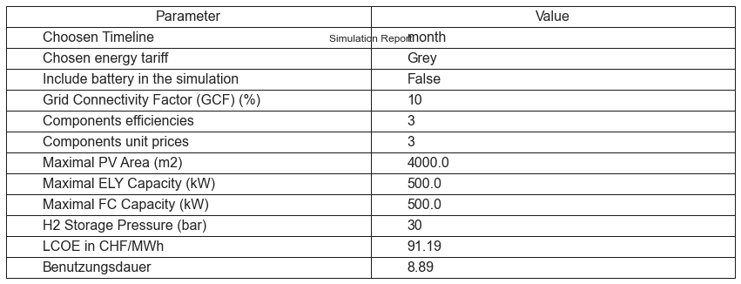
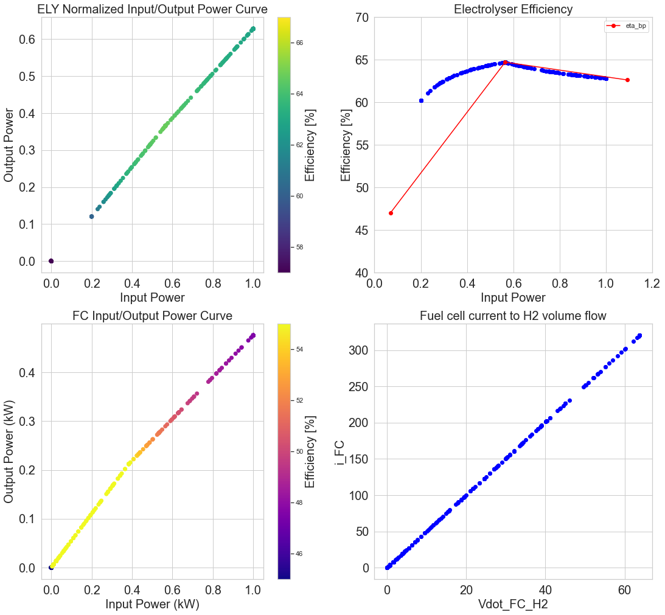
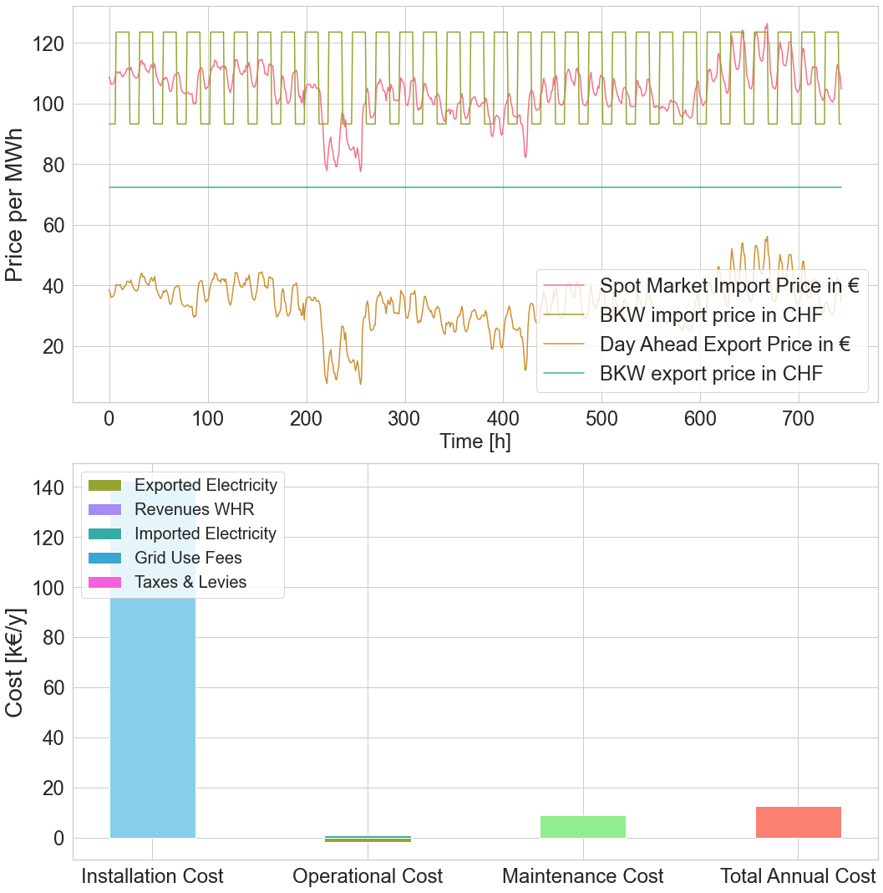

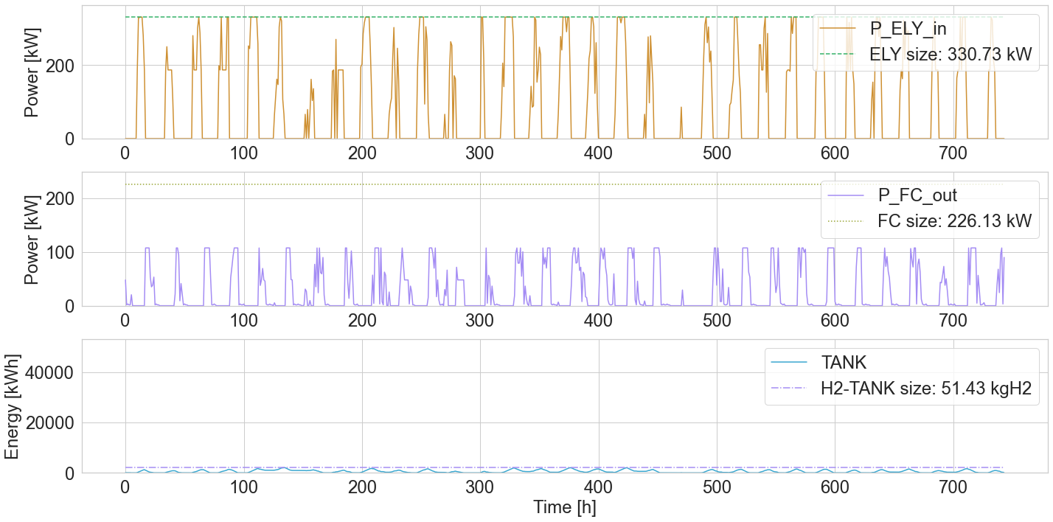
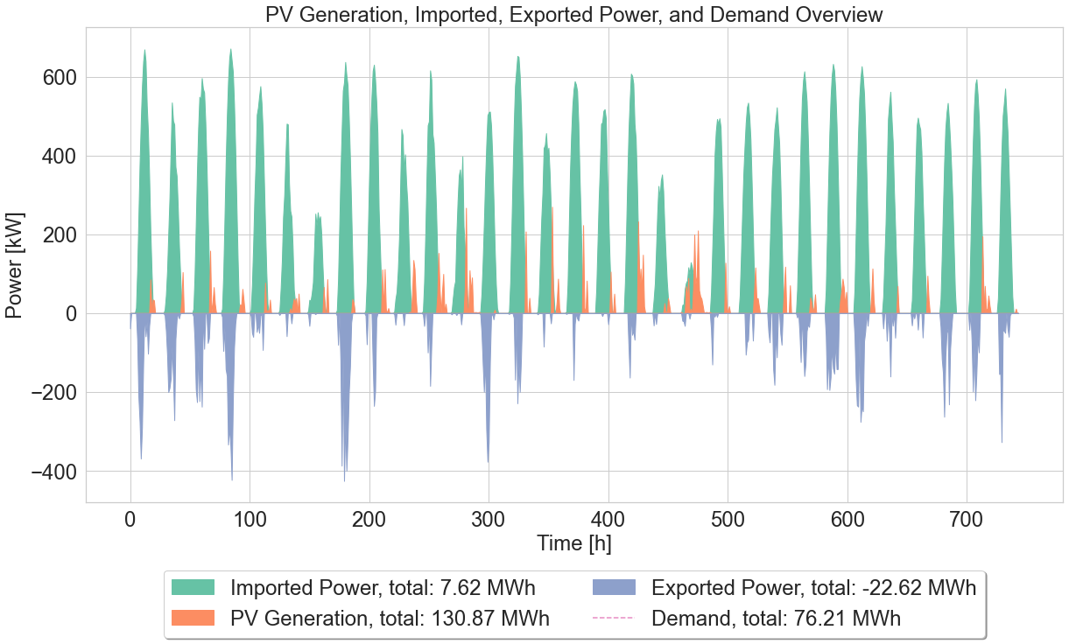

PWA
P_ELY | P_ELY_PWA | ETA_ELY | P_FC_in | P_FC | ETA_FC
0.00 | 0.00 |  | 0.00 | 0.00 | #DIV/0!
66145.27 | 39821.23 | 0.60 | 1052.54 | 581.48 | 0.55
66145.27 | 39821.23 | 0.60 | 1276.95 | 705.46 | 0.55
66145.27 | 39821.23 | 0.60 | 2042.96 | 1128.64 | 0.55
66145.27 | 39821.23 | 0.60 | 2755.88 | 1522.50 | 0.55
66145.27 | 39821.23 | 0.60 | 2755.88 | 1522.50 | 0.55
66145.27 | 39821.23 | 0.60 | 2755.88 | 1522.50 | 0.55
66145.27 | 39821.23 | 0.60 | 2755.88 | 1522.50 | 0.55
66145.27 | 39821.23 | 0.60 | 2755.88 | 1522.50 | 0.55
66145.27 | 39821.23 | 0.60 | 2755.88 | 1522.50 | 0.55
66145.27 | 39821.23 | 0.60 | 2755.88 | 1522.50 | 0.55
66145.27 | 39821.23 | 0.60 | 2755.88 | 1522.50 | 0.55
66145.27 | 39821.23 | 0.60 | 2755.88 | 1522.50 | 0.55
76036.69 | 46467.03 | 0.61 | 2755.88 | 1522.50 | 0.55
79177.95 | 48577.57 | 0.61 | 2755.88 | 1522.50 | 0.55
85659.10 | 52932.10 | 0.62 | 2755.88 | 1522.50 | 0.55
85723.76 | 52975.54 | 0.62 | 2755.88 | 1522.50 | 0.55
88949.58 | 55142.89 | 0.62 | 2755.88 | 1522.50 | 0.55
91769.75 | 57037.70 | 0.62 | 2755.88 | 1522.50 | 0.55
93870.40 | 58449.07 | 0.62 | 2755.88 | 1522.50 | 0.55
94295.85 | 58734.92 | 0.62 | 2755.88 | 1522.50 | 0.55
95712.46 | 59686.70 | 0.62 | 2755.88 | 1522.50 | 0.55
97265.46 | 60730.13 | 0.62 | 2755.88 | 1522.50 | 0.55
97523.62 | 60903.58 | 0.62 | 2755.88 | 1522.50 | 0.55
103028.86 | 64602.42 | 0.63 | 2755.88 | 1522.50 | 0.55
103611.26 | 64993.72 | 0.63 | 2755.88 | 1522.50 | 0.55
106503.57 | 66936.99 | 0.63 | 2755.88 | 1522.50 | 0.55
106957.23 | 67241.80 | 0.63 | 2755.88 | 1522.50 | 0.55
107804.51 | 67811.06 | 0.63 | 2755.88 | 1522.50 | 0.55
110538.12 | 69647.71 | 0.63 | 2755.88 | 1522.50 | 0.55
113747.58 | 71804.06 | 0.63 | 2755.88 | 1522.50 | 0.55
117478.09 | 74310.50 | 0.63 | 2755.88 | 1522.50 | 0.55
122968.63 | 77999.47 | 0.63 | 2755.88 | 1522.50 | 0.55
124298.97 | 78893.28 | 0.63 | 2755.88 | 1522.50 | 0.55
126096.10 | 80100.73 | 0.64 | 2755.88 | 1522.50 | 0.55
129471.43 | 82368.54 | 0.64 | 2755.88 | 1522.50 | 0.55
131472.71 | 83713.15 | 0.64 | 2755.88 | 1522.50 | 0.55
131899.45 | 83999.86 | 0.64 | 2755.88 | 1522.50 | 0.55
135948.09 | 86720.05 | 0.64 | 2755.88 | 1522.50 | 0.55
136854.17 | 87328.82 | 0.64 | 2755.88 | 1522.50 | 0.55
138101.96 | 88167.18 | 0.64 | 2755.88 | 1522.50 | 0.55
138855.61 | 88673.54 | 0.64 | 2755.88 | 1522.50 | 0.55
141339.85 | 90342.64 | 0.64 | 2755.88 | 1522.50 | 0.55
142324.73 | 91004.36 | 0.64 | 2755.88 | 1522.50 | 0.55
146996.34 | 94143.10 | 0.64 | 2755.88 | 1522.50 | 0.55
148887.06 | 95413.43 | 0.64 | 2755.88 | 1522.50 | 0.55
150267.70 | 96341.04 | 0.64 | 2755.88 | 1522.50 | 0.55
153662.29 | 98621.78 | 0.64 | 2755.88 | 1522.50 | 0.55
153683.43 | 98635.99 | 0.64 | 2755.88 | 1522.50 | 0.55
154031.49 | 98869.84 | 0.64 | 2755.88 | 1522.50 | 0.55
158520.47 | 101885.88 | 0.64 | 2755.88 | 1522.50 | 0.55
159890.76 | 102806.54 | 0.64 | 2755.88 | 1522.50 | 0.55
161424.53 | 103837.04 | 0.64 | 2755.88 | 1522.50 | 0.55
161730.19 | 104042.41 | 0.64 | 2755.88 | 1522.50 | 0.55
162012.32 | 104231.97 | 0.64 | 2755.88 | 1522.50 | 0.55
162644.78 | 104656.90 | 0.64 | 2862.08 | 1581.17 | 0.55
162883.89 | 104817.55 | 0.64 | 2862.08 | 1581.17 | 0.55
164756.21 | 106075.52 | 0.64 | 2862.08 | 1581.17 | 0.55
167140.17 | 107677.24 | 0.64 | 2862.08 | 1581.17 | 0.55
171051.58 | 110305.23 | 0.64 | 2862.08 | 1581.17 | 0.55
171436.05 | 110563.54 | 0.64 | 2862.08 | 1581.17 | 0.55
178872.27 | 115559.76 | 0.65 | 2862.08 | 1581.17 | 0.55
181758.35 | 117498.85 | 0.65 | 2862.08 | 1581.17 | 0.55
183323.52 | 118550.45 | 0.65 | 2862.08 | 1581.17 | 0.55
183553.65 | 118705.06 | 0.65 | 2862.08 | 1581.17 | 0.55
184733.07 | 119497.49 | 0.65 | 2862.08 | 1581.17 | 0.55
186834.25 | 120909.22 | 0.65 | 2862.08 | 1581.17 | 0.55
186834.25 | 120909.22 | 0.65 | 2862.08 | 1581.17 | 0.55
186834.25 | 120909.22 | 0.65 | 2862.08 | 1581.17 | 0.55
186834.25 | 120909.22 | 0.65 | 2862.08 | 1581.17 | 0.55
186834.25 | 120909.22 | 0.65 | 2862.08 | 1581.17 | 0.55
186834.25 | 120909.22 | 0.65 | 2862.08 | 1581.17 | 0.55
186834.25 | 120909.22 | 0.65 | 2862.08 | 1581.17 | 0.55
186834.25 | 120909.22 | 0.65 | 2862.08 | 1581.17 | 0.55
186834.25 | 120909.22 | 0.65 | 2862.08 | 1581.17 | 0.55
186834.25 | 120909.22 | 0.65 | 2862.08 | 1581.17 | 0.55
186834.25 | 120909.22 | 0.65 | 2862.08 | 1581.17 | 0.55
186834.25 | 120909.22 | 0.65 | 2862.08 | 1581.17 | 0.55
186834.25 | 120909.22 | 0.65 | 2862.08 | 1581.17 | 0.55
186834.25 | 120909.22 | 0.65 | 2862.08 | 1581.17 | 0.55
186834.25 | 120909.22 | 0.65 | 2862.08 | 1581.17 | 0.55
186834.25 | 120909.22 | 0.65 | 2862.08 | 1581.17 | 0.55
186834.25 | 120909.22 | 0.65 | 2862.08 | 1581.17 | 0.55
186834.25 | 120909.22 | 0.65 | 2862.08 | 1581.17 | 0.55
186834.25 | 120909.22 | 0.65 | 2862.08 | 1581.17 | 0.55
186834.25 | 120909.22 | 0.65 | 2862.08 | 1581.17 | 0.55
186834.25 | 120909.22 | 0.65 | 2862.08 | 1581.17 | 0.55
186834.25 | 120909.22 | 0.65 | 2862.08 | 1581.17 | 0.55
186834.25 | 120909.22 | 0.65 | 5511.77 | 3045.00 | 0.55
186834.25 | 120909.22 | 0.65 | 5511.77 | 3045.00 | 0.55
186834.25 | 120909.22 | 0.65 | 5511.77 | 3045.00 | 0.55
186834.25 | 120909.22 | 0.65 | 5511.77 | 3045.00 | 0.55
186834.25 | 120909.22 | 0.65 | 5511.77 | 3045.00 | 0.55
186834.25 | 120909.22 | 0.65 | 5511.77 | 3045.00 | 0.55
186834.25 | 120909.22 | 0.65 | 5511.77 | 3045.00 | 0.55
186834.25 | 120909.22 | 0.65 | 5511.77 | 3045.00 | 0.55
186834.25 | 120909.22 | 0.65 | 5511.77 | 3045.00 | 0.55
186834.25 | 120909.22 | 0.65 | 5511.77 | 3045.00 | 0.55
186834.25 | 120909.22 | 0.65 | 5511.77 | 3045.00 | 0.55
186834.25 | 120909.22 | 0.65 | 5511.77 | 3045.00 | 0.55
186834.25 | 120909.22 | 0.65 | 5511.77 | 3045.00 | 0.55
186834.25 | 120909.22 | 0.65 | 5511.77 | 3045.00 | 0.55
186834.25 | 120909.22 | 0.65 | 5511.77 | 3045.00 | 0.55
186834.25 | 120909.22 | 0.65 | 5511.77 | 3045.00 | 0.55
186834.25 | 120909.22 | 0.65 | 5511.77 | 3045.00 | 0.55
186834.25 | 120909.22 | 0.65 | 5511.77 | 3045.00 | 0.55
186834.25 | 120909.22 | 0.65 | 5511.77 | 3045.00 | 0.55
186834.25 | 120909.22 | 0.65 | 5511.77 | 3045.00 | 0.55
187057.36 | 121043.96 | 0.65 | 5511.77 | 3045.00 | 0.55
187231.12 | 121148.90 | 0.65 | 5511.77 | 3045.00 | 0.55
188132.07 | 121693.01 | 0.65 | 5511.77 | 3045.00 | 0.55
191025.96 | 123440.71 | 0.65 | 5511.77 | 3045.00 | 0.55
195700.61 | 126263.85 | 0.65 | 5511.77 | 3045.00 | 0.55
198332.98 | 127853.61 | 0.64 | 5724.17 | 3162.34 | 0.55
202107.41 | 130133.09 | 0.64 | 5724.17 | 3162.34 | 0.55
202176.43 | 130174.78 | 0.64 | 5724.17 | 3162.34 | 0.55
205523.72 | 132196.30 | 0.64 | 5724.17 | 3162.34 | 0.55
208338.16 | 133896.02 | 0.64 | 5724.17 | 3162.34 | 0.55
212039.90 | 136131.60 | 0.64 | 5724.17 | 3162.34 | 0.55
213169.13 | 136813.57 | 0.64 | 5724.17 | 3162.34 | 0.55
214281.01 | 137485.06 | 0.64 | 5724.17 | 3162.34 | 0.55
216191.60 | 138638.92 | 0.64 | 5724.17 | 3162.34 | 0.55
217844.84 | 139637.36 | 0.64 | 5724.17 | 3162.34 | 0.55
220493.27 | 141236.82 | 0.64 | 5724.17 | 3162.34 | 0.55
223927.35 | 143310.75 | 0.64 | 5724.17 | 3162.34 | 0.55
228651.83 | 146163.99 | 0.64 | 5724.17 | 3162.34 | 0.55
238404.29 | 152053.77 | 0.64 | 5724.17 | 3162.34 | 0.55
239466.15 | 152695.05 | 0.64 | 5724.17 | 3162.34 | 0.55
241192.15 | 153737.43 | 0.64 | 5724.17 | 3162.34 | 0.55
245002.69 | 156038.72 | 0.64 | 5724.17 | 3162.34 | 0.55
246019.48 | 156652.78 | 0.64 | 5724.17 | 3162.34 | 0.55
248968.21 | 158433.61 | 0.64 | 5724.17 | 3162.34 | 0.55
250174.77 | 159162.28 | 0.64 | 5724.17 | 3162.34 | 0.55
250547.93 | 159387.64 | 0.64 | 7654.42 | 4228.72 | 0.55
252293.71 | 160441.97 | 0.64 | 8415.20 | 4649.01 | 0.55
253548.40 | 161199.71 | 0.64 | 8480.05 | 4684.84 | 0.55
255470.98 | 162360.80 | 0.64 | 8480.05 | 4684.84 | 0.55
255523.90 | 162392.77 | 0.64 | 9794.07 | 5410.78 | 0.55
255532.40 | 162397.90 | 0.64 | 10195.58 | 5632.59 | 0.55
258128.45 | 163965.72 | 0.64 | 12253.87 | 6769.70 | 0.55
260807.92 | 165583.92 | 0.63 | 13779.42 | 7612.50 | 0.55
260981.56 | 165688.79 | 0.63 | 13779.42 | 7612.50 | 0.55
261038.69 | 165723.29 | 0.63 | 13779.42 | 7612.50 | 0.55
261043.16 | 165725.99 | 0.63 | 13991.82 | 7729.84 | 0.55
263828.75 | 167408.29 | 0.63 | 13991.82 | 7729.84 | 0.55
268875.28 | 170456.02 | 0.63 | 14936.25 | 8251.59 | 0.55
270147.44 | 171224.32 | 0.63 | 15949.11 | 8811.15 | 0.55
276961.18 | 175339.32 | 0.63 | 16535.30 | 9135.00 | 0.55
276969.70 | 175344.47 | 0.63 | 17483.74 | 9658.97 | 0.55
277760.07 | 175821.79 | 0.63 | 19291.19 | 10657.50 | 0.55
277858.36 | 175881.15 | 0.63 | 19291.19 | 10657.50 | 0.55
279780.43 | 177041.94 | 0.63 | 19291.19 | 10657.50 | 0.55
280375.70 | 177401.44 | 0.63 | 22047.07 | 12180.00 | 0.55
281351.82 | 177990.95 | 0.63 | 22047.07 | 12180.00 | 0.55
282976.02 | 178971.85 | 0.63 | 24802.96 | 13702.50 | 0.55
284853.90 | 180105.95 | 0.63 | 24802.96 | 13702.50 | 0.55
285868.40 | 180718.63 | 0.63 | 24802.96 | 13702.50 | 0.55
286261.42 | 180955.99 | 0.63 | 27010.27 | 14921.94 | 0.55
286277.98 | 180965.99 | 0.63 | 27223.47 | 15039.72 | 0.55
287935.85 | 181967.22 | 0.63 | 30314.72 | 16747.50 | 0.55
288444.27 | 182274.27 | 0.63 | 30314.72 | 16747.50 | 0.55
290798.31 | 183695.94 | 0.63 | 33648.59 | 18589.31 | 0.55
293537.25 | 185350.06 | 0.63 | 33679.37 | 18606.31 | 0.55
299772.55 | 189115.73 | 0.63 | 33755.24 | 18648.23 | 0.55
301268.76 | 190019.33 | 0.63 | 35826.49 | 19792.50 | 0.55
302505.87 | 190766.45 | 0.63 | 36937.64 | 20406.36 | 0.55
302831.45 | 190963.08 | 0.63 | 38794.78 | 21432.34 | 0.55
303966.63 | 191648.64 | 0.63 | 39523.77 | 21835.08 | 0.55
304340.05 | 191874.16 | 0.63 | 41550.66 | 22954.84 | 0.55
304511.93 | 191977.97 | 0.63 | 41550.66 | 22954.84 | 0.55
304639.21 | 192054.83 | 0.63 | 43600.76 | 24087.43 | 0.55
310378.48 | 195520.94 | 0.63 | 44094.14 | 24360.00 | 0.55
315082.69 | 198361.94 | 0.63 | 44306.54 | 24477.34 | 0.55
315379.62 | 198541.26 | 0.63 | 46221.65 | 25535.35 | 0.55
316047.86 | 198944.83 | 0.63 | 46850.03 | 25882.50 | 0.55
320569.12 | 201675.34 | 0.63 | 48345.66 | 26708.77 | 0.55
321851.31 | 202449.69 | 0.63 | 49818.31 | 27522.34 | 0.55
322382.75 | 202770.64 | 0.63 | 52975.54 | 29266.57 | 0.55
322879.77 | 203070.80 | 0.63 | 54626.69 | 30178.75 | 0.55
327783.29 | 206032.17 | 0.63 | 55330.08 | 30567.34 | 0.55
329392.12 | 207003.79 | 0.63 | 56118.25 | 31002.77 | 0.55
330726.36 | 207809.57 | 0.63 | 61728.99 | 34102.45 | 0.55
330726.36 | 207809.57 | 0.63 | 63142.47 | 34883.33 | 0.55
330726.36 | 207809.57 | 0.63 | 63597.73 | 35134.84 | 0.55
330726.36 | 207809.57 | 0.63 | 63799.30 | 35246.20 | 0.55
330726.36 | 207809.57 | 0.63 | 66141.22 | 36540.00 | 0.55
330726.36 | 207809.57 | 0.63 | 66141.22 | 36540.00 | 0.55
330726.36 | 207809.57 | 0.63 | 66141.22 | 36540.00 | 0.55
330726.36 | 207809.57 | 0.63 | 66568.36 | 36775.98 | 0.55
330726.36 | 207809.57 | 0.63 | 68341.74 | 37755.69 | 0.55
330726.36 | 207809.57 | 0.63 | 68897.10 | 38062.50 | 0.55
330726.36 | 207809.57 | 0.63 | 69109.50 | 38179.84 | 0.55
330726.36 | 207809.57 | 0.63 | 69109.50 | 38179.84 | 0.55
330726.36 | 207809.57 | 0.63 | 69109.50 | 38179.84 | 0.55
330726.36 | 207809.57 | 0.63 | 69617.46 | 38460.47 | 0.55
330726.36 | 207809.57 | 0.63 | 70492.81 | 38944.06 | 0.55
330726.36 | 207809.57 | 0.63 | 74621.27 | 41224.84 | 0.55
330726.36 | 207809.57 | 0.63 | 74621.27 | 41224.84 | 0.55
330726.36 | 207809.57 | 0.63 | 76977.86 | 42526.75 | 0.55
330726.36 | 207809.57 | 0.63 | 77377.15 | 42747.34 | 0.55
330726.36 | 207809.57 | 0.63 | 78937.80 | 43609.53 | 0.55
330726.36 | 207809.57 | 0.63 | 82676.52 | 45675.00 | 0.55
330726.36 | 207809.57 | 0.63 | 82676.52 | 45675.00 | 0.55
330726.36 | 207809.57 | 0.63 | 86825.94 | 47967.37 | 0.55
330726.36 | 207809.57 | 0.63 | 86825.94 | 47967.37 | 0.55
330726.36 | 207809.57 | 0.63 | 86825.94 | 47967.37 | 0.55
330726.36 | 207809.57 | 0.63 | 86825.94 | 47967.37 | 0.55
330726.36 | 207809.57 | 0.63 | 86825.94 | 47967.37 | 0.55
330726.36 | 207809.57 | 0.63 | 86825.94 | 47967.37 | 0.55
330726.36 | 207809.57 | 0.63 | 86825.94 | 47967.37 | 0.55
330726.36 | 207809.57 | 0.63 | 86825.94 | 47967.37 | 0.55
330726.36 | 207809.57 | 0.63 | 86825.94 | 47967.37 | 0.55
330726.36 | 207809.57 | 0.63 | 86825.94 | 47967.37 | 0.55
330726.36 | 207809.57 | 0.63 | 86825.94 | 47967.37 | 0.55
330726.36 | 207809.57 | 0.63 | 86825.94 | 47967.37 | 0.55
330726.36 | 207809.57 | 0.63 | 86825.94 | 47967.37 | 0.55
330726.36 | 207809.57 | 0.63 | 86825.94 | 47967.37 | 0.55
330726.36 | 207809.57 | 0.63 | 86825.94 | 47967.37 | 0.55
330726.36 | 207809.57 | 0.63 | 88586.23 | 48720.00 | 0.55
330726.36 | 207809.57 | 0.63 | 92147.12 | 50242.50 | 0.55
330726.36 | 207809.57 | 0.63 | 92147.12 | 50242.50 | 0.55
330726.36 | 207809.57 | 0.63 | 95982.44 | 51882.34 | 0.54
330726.36 | 207809.57 | 0.63 | 95982.44 | 51882.34 | 0.54
330726.36 | 207809.57 | 0.63 | 95982.44 | 51882.34 | 0.54
330726.36 | 207809.57 | 0.63 | 97506.33 | 52533.90 | 0.54
330726.36 | 207809.57 | 0.63 | 97803.23 | 52660.84 | 0.54
330726.36 | 207809.57 | 0.63 | 99268.89 | 53287.50 | 0.54
330726.36 | 207809.57 | 0.63 | 99268.89 | 53287.50 | 0.54
330726.36 | 207809.57 | 0.63 | 99543.33 | 53404.84 | 0.54
330726.36 | 207809.57 | 0.63 | 102829.77 | 54810.00 | 0.53
330726.36 | 207809.57 | 0.63 | 106390.65 | 56332.50 | 0.53
330726.36 | 207809.57 | 0.63 | 106390.65 | 56332.50 | 0.53
330726.36 | 207809.57 | 0.63 | 106665.09 | 56449.84 | 0.53
330726.36 | 207809.57 | 0.63 | 106665.09 | 56449.84 | 0.53
330726.36 | 207809.57 | 0.63 | 107077.48 | 56626.16 | 0.53
330726.36 | 207809.57 | 0.63 | 107868.27 | 56964.27 | 0.53
330726.36 | 207809.57 | 0.63 | 109951.54 | 57855.00 | 0.53
330726.36 | 207809.57 | 0.63 | 110225.98 | 57972.34 | 0.53
330726.36 | 207809.57 | 0.63 | 113512.42 | 59377.50 | 0.52
330726.36 | 207809.57 | 0.63 | 113512.42 | 59377.50 | 0.52
330726.36 | 207809.57 | 0.63 | 113786.86 | 59494.84 | 0.52
330726.36 | 207809.57 | 0.63 | 118576.53 | 61542.72 | 0.52
330726.36 | 207809.57 | 0.63 | 119906.27 | 62111.27 | 0.52
330726.36 | 207809.57 | 0.63 | 119989.25 | 62146.75 | 0.52
330726.36 | 207809.57 | 0.63 | 120634.19 | 62422.50 | 0.52
330726.36 | 207809.57 | 0.63 | 120908.63 | 62539.84 | 0.52
330726.36 | 207809.57 | 0.63 | 120908.63 | 62539.84 | 0.52
330726.36 | 207809.57 | 0.63 | 120908.63 | 62539.84 | 0.52
330726.36 | 207809.57 | 0.63 | 122188.30 | 63086.98 | 0.52
330726.36 | 207809.57 | 0.63 | 124195.07 | 63945.00 | 0.51
 |  |  | 127755.95 | 65467.50 | 0.51
 |  |  | 129734.01 | 66313.24 | 0.51
 |  |  | 133394.03 | 67878.13 | 0.51
 |  |  | 134877.72 | 68512.50 | 0.51
 |  |  | 134877.72 | 68512.50 | 0.51
 |  |  | 136952.53 | 69399.61 | 0.51
 |  |  | 137820.44 | 69770.70 | 0.51
 |  |  | 138178.78 | 69923.91 | 0.51
 |  |  | 138438.61 | 70035.00 | 0.51
 |  |  | 141999.49 | 71557.50 | 0.50
 |  |  | 141999.49 | 71557.50 | 0.50
 |  |  | 142111.96 | 71605.59 | 0.50
 |  |  | 142640.48 | 71831.56 | 0.50
 |  |  | 142729.85 | 71869.78 | 0.50
 |  |  | 143008.20 | 71988.78 | 0.50
 |  |  | 145834.81 | 73197.34 | 0.50
 |  |  | 145834.81 | 73197.34 | 0.50
 |  |  | 152682.14 | 76125.00 | 0.50
 |  |  | 154906.11 | 77075.88 | 0.50
 |  |  | 155396.66 | 77285.63 | 0.50
 |  |  | 157765.64 | 78298.51 | 0.50
 |  |  | 159803.91 | 79170.00 | 0.50
 |  |  | 159803.91 | 79170.00 | 0.50
 |  |  | 159803.91 | 79170.00 | 0.50
 |  |  | 163147.99 | 80599.80 | 0.49
 |  |  | 175901.22 | 86052.61 | 0.49
 |  |  | 177608.32 | 86782.50 | 0.49
 |  |  | 177882.77 | 86899.84 | 0.49
 |  |  | 180011.76 | 87810.12 | 0.49
 |  |  | 184730.09 | 89827.50 | 0.49
 |  |  | 184831.78 | 89870.98 | 0.49
 |  |  | 185004.53 | 89944.84 | 0.49
 |  |  | 188290.98 | 91350.00 | 0.49
 |  |  | 188565.42 | 91467.34 | 0.49
 |  |  | 188792.60 | 91564.47 | 0.49
 |  |  | 190954.94 | 92489.01 | 0.48
 |  |  | 195687.18 | 94512.34 | 0.48
 |  |  | 195687.18 | 94512.34 | 0.48
 |  |  | 198973.63 | 95917.50 | 0.48
 |  |  | 201830.17 | 97138.85 | 0.48
 |  |  | 206369.84 | 99079.84 | 0.48
 |  |  | 209656.28 | 100485.00 | 0.48
 |  |  | 212900.78 | 101872.23 | 0.48
 |  |  | 213217.16 | 102007.50 | 0.48
 |  |  | 220613.37 | 105169.84 | 0.48
 |  |  | 223735.04 | 106504.55 | 0.48
 |  |  | 225371.09 | 107204.06 | 0.48
 |  |  | 226129.56 | 107528.35 | 0.48
 |  |  | 226129.56 | 107528.35 | 0.48
 |  |  | 226129.56 | 107528.35 | 0.48
 |  |  | 226129.56 | 107528.35 | 0.48
 |  |  | 226129.56 | 107528.35 | 0.48
 |  |  | 226129.56 | 107528.35 | 0.48
 |  |  | 226129.56 | 107528.35 | 0.48
 |  |  | 226129.56 | 107528.35 | 0.48
 |  |  | 226129.56 | 107528.35 | 0.48
 |  |  | 226129.56 | 107528.35 | 0.48
 |  |  | 226129.56 | 107528.35 | 0.48
 |  |  | 226129.56 | 107528.35 | 0.48
 |  |  | 226129.56 | 107528.35 | 0.48
 |  |  | 226129.56 | 107528.35 | 0.48
 |  |  | 226129.56 | 107528.35 | 0.48
 |  |  | 226129.56 | 107528.35 | 0.48
 |  |  | 226129.56 | 107528.35 | 0.48
 |  |  | 226129.56 | 107528.35 | 0.48
 |  |  | 226129.56 | 107528.35 | 0.48
 |  |  | 226129.56 | 107528.35 | 0.48
 |  |  | 226129.56 | 107528.35 | 0.48
 |  |  | 226129.56 | 107528.35 | 0.48
 |  |  | 226129.56 | 107528.35 | 0.48
 |  |  | 226129.56 | 107528.35 | 0.48
 |  |  | 226129.56 | 107528.35 | 0.48
 |  |  | 226129.56 | 107528.35 | 0.48
 |  |  | 226129.56 | 107528.35 | 0.48
 |  |  | 226129.56 | 107528.35 | 0.48
 |  |  | 226129.56 | 107528.35 | 0.48
 |  |  | 226129.56 | 107528.35 | 0.48
 |  |  | 226129.56 | 107528.35 | 0.48
 |  |  | 226129.56 | 107528.35 | 0.48
 |  |  | 226129.56 | 107528.35 | 0.48
 |  |  | 226129.56 | 107528.35 | 0.48
 |  |  | 226129.56 | 107528.35 | 0.48
 |  |  | 226129.56 | 107528.35 | 0.48
 |  |  | 226129.56 | 107528.35 | 0.48
 |  |  | 226129.56 | 107528.35 | 0.48
 |  |  | 226129.56 | 107528.35 | 0.48
 |  |  | 226129.56 | 107528.35 | 0.48
 |  |  | 226129.56 | 107528.35 | 0.48
 |  |  | 226129.56 | 107528.35 | 0.48
 |  |  | 226129.56 | 107528.35 | 0.48
 |  |  | 226129.56 | 107528.35 | 0.48
 |  |  | 226129.56 | 107528.35 | 0.48
 |  |  | 226129.56 | 107528.35 | 0.48
 |  |  | 226129.56 | 107528.35 | 0.48
 |  |  | 226129.56 | 107528.35 | 0.48
 |  |  | 226129.56 | 107528.35 | 0.48
 |  |  | 226129.56 | 107528.35 | 0.48
 |  |  | 226129.56 | 107528.35 | 0.48
 |  |  | 226129.56 | 107528.35 | 0.48
 |  |  | 226129.56 | 107528.35 | 0.48
 |  |  | 226129.56 | 107528.35 | 0.48
 |  |  | 226129.56 | 107528.35 | 0.48
 |  |  | 226129.56 | 107528.35 | 0.48
 |  |  | 226129.56 | 107528.35 | 0.48
 |  |  | 226129.56 | 107528.35 | 0.48
 |  |  | 226129.56 | 107528.35 | 0.48
 |  |  | 226129.56 | 107528.35 | 0.48
 |  |  | 226129.56 | 107528.35 | 0.48
 |  |  | 226129.56 | 107528.35 | 0.48
 |  |  | 226129.56 | 107528.35 | 0.48
 |  |  | 226129.56 | 107528.35 | 0.48
 |  |  | 226129.56 | 107528.35 | 0.48
 |  |  | 226129.56 | 107528.35 | 0.48
 |  |  | 226129.56 | 107528.35 | 0.48
 |  |  | 226129.56 | 107528.35 | 0.48
 |  |  | 226129.56 | 107528.35 | 0.48
 |  |  | 226129.56 | 107528.35 | 0.48
 |  |  | 226129.56 | 107528.35 | 0.48
 |  |  | 226129.56 | 107528.35 | 0.48
 |  |  | 226129.56 | 107528.35 | 0.48
 |  |  | 226129.56 | 107528.35 | 0.48
 |  |  | 226129.56 | 107528.35 | 0.48
 |  |  | 226129.56 | 107528.35 | 0.48
 |  |  | 226129.56 | 107528.35 | 0.48
 |  |  | 226129.56 | 107528.35 | 0.48
 |  |  | 226129.56 | 107528.35 | 0.48
 |  |  | 226129.56 | 107528.35 | 0.48
 |  |  | 226129.56 | 107528.35 | 0.48
 |  |  | 226129.56 | 107528.35 | 0.48
 |  |  | 226129.56 | 107528.35 | 0.48
 |  |  | 226129.56 | 107528.35 | 0.48
 |  |  | 226129.56 | 107528.35 | 0.48
 |  |  | 226129.56 | 107528.35 | 0.48
 |  |  | 226129.56 | 107528.35 | 0.48
 |  |  | 226129.56 | 107528.35 | 0.48
 |  |  | 226129.56 | 107528.35 | 0.48
 |  |  | 226129.56 | 107528.35 | 0.48
 |  |  | 226129.56 | 107528.35 | 0.48

